Sheet1
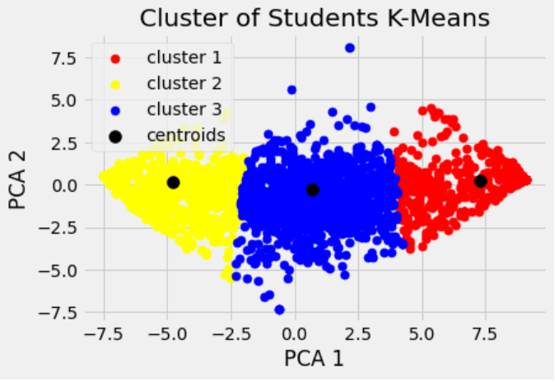
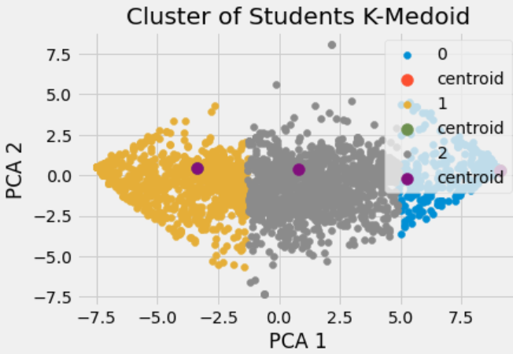
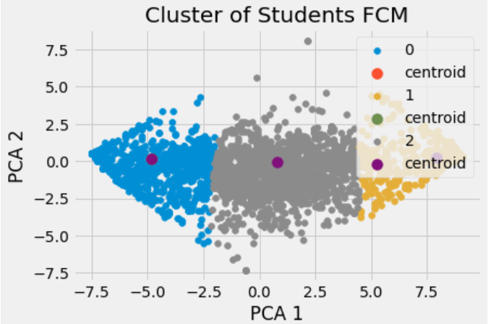
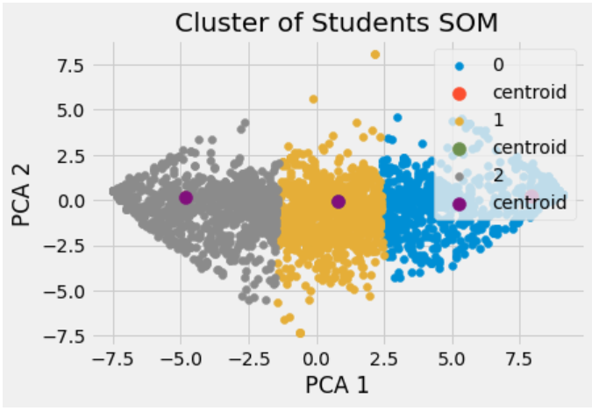
Amount of Data Retained after principle component analysis = 86.76%

 | sum square error(SSE) | silhoutte score
CLUSTERING ALGORITHMS
K_Means | 23705.143795 | 0.57399421246

K_Medoid(PAM) | 9395.5004764 | 0.56367855853

Fuzzy-C-means | 24177.871276 | 0.57344177632

Self Organizing Map(SOM) | 36861.152811 | 0.53913297918

COUNT PLOTS

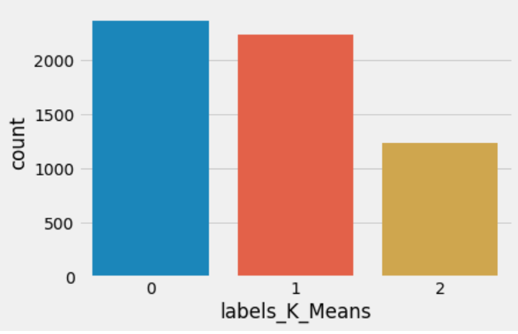
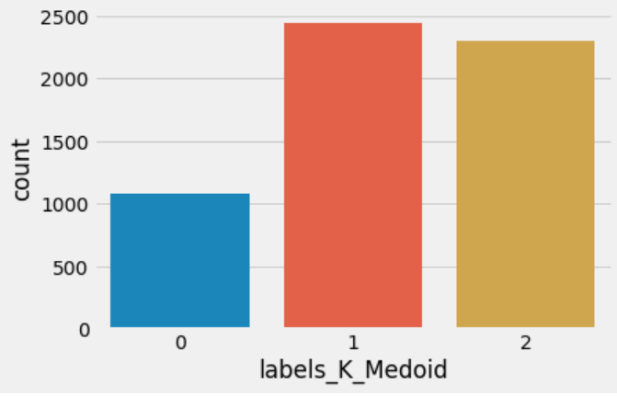

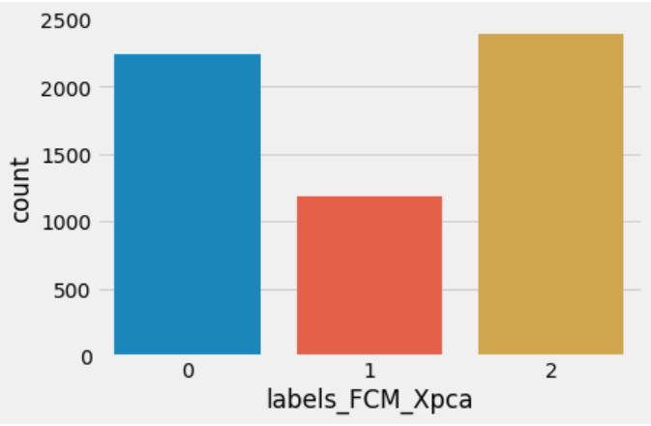
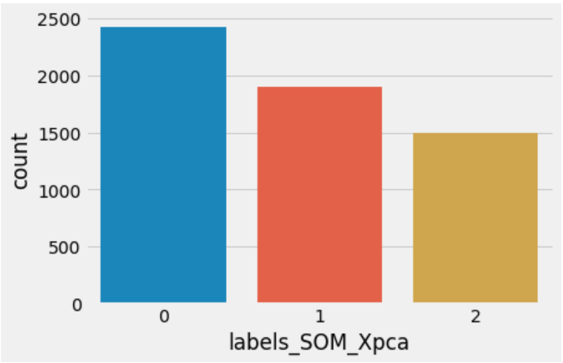

Cluster Graphs

